Capital Allocation
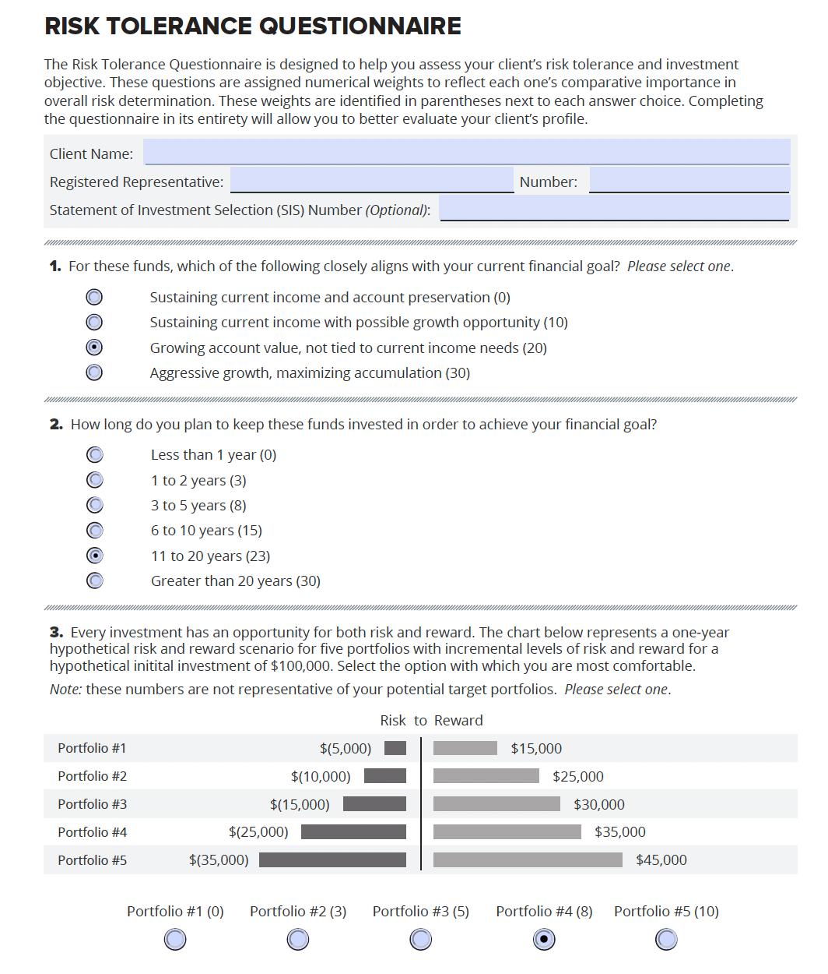
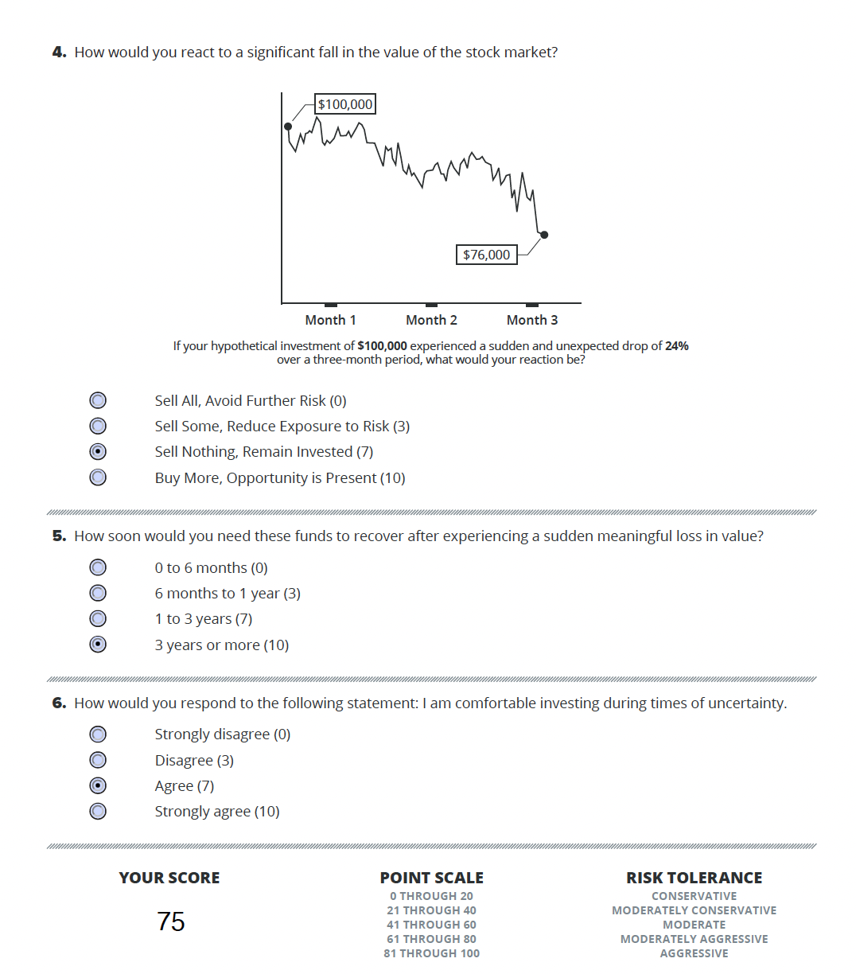
Capital Allocation. Optimal Captial Allocation using Maixum Utility
Capital Allocation > Asset Classes Allocation > Security Selection

Risky Pf (P) only
rf: rate of return of risk-free asset |  | 5%
E(Rp): expected return of risky pf |  | 26.53%
𝜎 p: SD of risky pf |  | 38.04%

Capital Allocation
Your Indiff meets Your CAL
Complete Pf (C). Risk free + Risky Pf
y: weight of risky pf |  | 59.52%
1-y: weight of risk free asset |  | 40.48%
E(rc): expected return of the Complete pf |  | 17.81%
𝜎 c: SD of Complete pf |  | 22.64%
Slope: Capital Allocation Line ( Sharpe) |  | 0.5660
Risk Tolerance Score |  | 75
Risk Aversion Index (A: 1~20)* |  | 2.5
Utility at the risk aversion level |  | 11.41%
*Bear (1~5), Normal (1~10), Bull (1~20)

Max. Utiliity
 |  |  |  | 11.41%
W of risky pf: y | E(rc) on CAL | 𝜎 c | Utiliity | E(rc) on Indiff.
Max. U | 17.81% | 22.64% | 11.41% | 17.81%
0.1 | 7.15% | 3.80% | 6.97% | 11.59%
0.2 | 9.31% | 7.61% | 8.58% | 12.13%
0.3 | 11.46% | 11.41% | 9.83% | 13.04%
0.4 | 13.61% | 15.22% | 10.72% | 14.30%
0.5 | 15.77% | 19.02% | 11.24% | 15.93%
0.6 | 17.92% | 22.82% | 11.41% | 17.92%
0.7 | 20.07% | 26.63% | 11.21% | 20.27%
0.8 | 22.22% | 30.43% | 10.65% | 22.98%
0.9 | 24.38% | 34.24% | 9.73% | 26.06%
1.0 | 26.53% | 38.04% | 8.44% | 29.49%

Asset Classes Allocation
Asset Classes Allocation Analysis: Optimal Complete Pf Model
Capital Allocation > Asset Classes Allocation > Security Selection

 | Optimal Risky Portfolio |  | Minimum Variance Pf |  | Optimal Risky Pf |  | Indifference Curve
0.1601 | 0.1422 | 0.0000 | 0.0500 | 0.0000 | 0.0500 | 3.80% | 11.59%
0.1434 | 0.1545 | 0.1601 | 0.1422 | 0.3804 | 0.2653 | 7.61% | 12.13%
0.1388 | 0.1668 |  |  |  |  | 11.41% | 13.04%
0.1474 | 0.1791 |  |  |  |  | 15.22% | 14.30%
0.1673 | 0.1915 |  |  |  |  | 19.02% | 15.93%
0.1949 | 0.2038 |  |  |  |  | 22.82% | 17.92%
0.2276 | 0.2161 |  |  |  |  | 26.63% | 20.27%
0.2634 | 0.2284 |  |  |  |  | 30.43% | 22.98%
0.3012 | 0.2407 |  |  |  |  | 34.24% | 26.06%
0.3403 | 0.2530 |  |  |  |  | 38.04% | 29.49%
0.3804 | 0.2653
Securities | Expected Return | Standard Deviation | Corr. Coefficient B,E | Covariance B,E |  | Efficient Frontier meets CAL with Optimal Risky Pf
Bond Pf (B) | 14.22% | 16.01% | -0.1503 | -0.0092
Equity Pf (E) | 26.53% | 38.04%
T-Bill | 5.00% | 0.00%

Risky Asset Portfolio: Weights |  |  |  | Reward to Variability
Bond weight | Equity weight | Expected Return | Standard Deviation | (Sharpe ratio)
1.0 | 0.0 | 0.1422 | 0.1601 | 0.5761
0.9 | 0.1 | 0.1545 | 0.1434 | 0.7290
0.8 | 0.2 | 0.1668 | 0.1388 | 0.8419
0.7 | 0.3 | 0.1791 | 0.1474 | 0.8760
0.6 | 0.4 | 0.1915 | 0.1673 | 0.8456
0.5 | 0.5 | 0.2038 | 0.1949 | 0.7888
0.4 | 0.6 | 0.2161 | 0.2276 | 0.7297
0.3 | 0.7 | 0.2284 | 0.2634 | 0.6773
0.2 | 0.8 | 0.2407 | 0.3012 | 0.6332
0.1 | 0.9 | 0.2530 | 0.3403 | 0.5965
0.0 | 1.0 | 0.2653 | 0.3804 | 0.5660
A. Minimum Variance Portfolio of Risky Assets |  | Expected Return | Min. Standard Deviation | Sharpe Ratio
1.00 | 0.00 | 0.1422 | 0.1601 | 0.5761 | short-not allowed
B. Optimal Risky Portfolio. Maximum of Sharpe ratio |  | Expected Return | Standard Deviation | Max. of Sharpe Ratio
0.00 | 1.00 | 0.2653 | 0.3804 | 0.5660 | short-not allowed

Optimal Complete Portfolio
C. Optimal Complete Portfolio with U w/ Risk-Free Asset
Weight y: Optimal Risky Portfolio |  | 59.52%
Weight (1-y): Risk-Free Asset |  | 40.48%
Bond weight in the Optimal Complete Pf |  | 0.00%
Equity weight in the Optimal Complete Pf |  | 59.52%
E(rc): expected return of the Overall Complete pf |  | 0.1781
𝜎 c: SD of Overall Complete pf |  | 0.2264
Sharpe Ratio (Max. Slope of CAL) |  | 0.5660

Security Allocation
Index Portfolio Model. VDE + Active Portfolio (Large Growth)

Panel A. Risk Parameters of Pf A (annualized) | VDE | XOM | CVX | COP | PSX | EOG
Beta | 1.0000 | 0.8261 | 0.7848 | 1.0863 | 0.9392 | 1.1534
SD of Excess Return | 0.3938 | 0.3505 | 0.3326 | 0.4554 | 0.4268 | 0.4804
SD of Residual (e), Firm specific Component | 0.0000 | 0.1303 | 0.1230 | 0.4646 | 0.2129 | 0.1562
SD of Systematic Component | 0.3938 | 0.3253 | 0.3091 | 0.4278 | 0.3699 | 0.4543
Correlation with the Market Index | 1.0000 | 0.9283 | 0.9292 | 0.9394 | 0.8667 | 0.9457

Panel B. Correlation Matrix | VDE | XOM | CVX | COP | PSX | EOG
VDE | 1.0000
XOM | 0.9283 | 1.0000
CVX | 0.9292 | 0.8625 | 1.0000
COP | 0.9394 | 0.8720 | 0.8729 | 1.0000
PSX | 0.8667 | 0.8045 | 0.8053 | 0.8142 | 1.0000
EOG | 0.9457 | 0.8778 | 0.8787 | 0.8884 | 0.8196 | 1.0000

Panel C. The Index Model Covariance Matrix | VDE | XOM | CVX | COP | PSX | EOG
VDE | 0.1551
XOM | 0.1281 | 0.1228
CVX | 0.1217 | 0.1005 | 0.1106
COP | 0.1685 | 0.1392 | 0.1322 | 0.2074
PSX | 0.1457 | 0.1203 | 0.1143 | 0.1457 | 0.1821
EOG | 0.1789 | 0.1478 | 0.1404 | 0.1943 | 0.1680 | 0.2307

Panel D. Correlation of Residuals in Pf A | VDE | XOM | CVX | COP | PSX | EOG
VDE
XOM |  | 1.0000
CVX |  | 0.1920 | 1.0000
COP |  | (0.0935) | (0.2057) | 1.0000
PSX |  | 0.1113 | 0.0915 | (0.0478) | 1.0000
EOG |  | (0.0621) | (0.1706) | 0.1850 | (0.0984) | 1.0000

Panel E. Macro Forecast and Alpha Forecasts | VDE | XOM | CVX | COP | PSX | EOG
Adjusted Alpha | 0.0000 | 0.0595 | 0.0373 | 0.1015 | 0.1126 | 0.0897
Beta | 1.0000 | 0.8261 | 0.7848 | 1.0863 | 0.9392 | 1.1534
Total Equity Risk Premium E(R) | 0.1473 | 0.1812 | 0.1529 | 0.2615 | 0.2510 | 0.2596
Adjusted Market risk premium = | 0.1473

Panel F. Active Portfolio |  |  | Active Pf | XOM | CVX | COP | PSX | EOG
Residual Variance of each security | s2(e) |  |  | 0.0170 | 0.0151 | 0.2159 | 0.0453 | 0.0244
Initial position of each security | wi(0) = ai/s2(e) |  | 12.5999 | 3.5047 | 2.4640 | 0.4702 | 2.4841 | 3.6768
Scaled initial position of each security | wi |  | 1.0000 | 0.2782 | 0.1956 | 0.0373 | 0.1972 | 0.2918
Squared scaled initial position of each security | [wi(0)]2 |  |  | 0.0774 | 0.0382 | 0.0014 | 0.0389 | 0.0852
Alpha of the Active Pf | aA |  | 0.0760
Residual Variance of Active Pf | s2(eA) |  | 0.0060
Active Pf information ratio (APIR) | aA / s2(eA) |  | 12.5999
Index Pf information ratio (IPIR) | E(RM)/s2(M) |  | 0.9499
Initial position in Active Pf (APIR/IPIR) | wA(0) |  | 13.2648
Beta of the Active Pf | bA |  | 0.9455

Active Portfolio: Large Growth
Panel G. Optimal Risky Portfolios | Overall Risky Pf | VDE | Active Pf | XOM | CVX | COP | PSX | EOG
w*(Optimal Pf): Short not allowed | 1.0000 | 0.0000 | 1.0000 | 0.2782 | 0.1956 | 0.0373 | 0.1972 | 0.2918
Beta | 0.9455 | 1.0000 | 0.9455
Risk Premium | 0.2153 | 0.1473 | 0.2153
Standard Deviation | 0.3804 | 0.3938 | 0.3804
Sharpe Ratio (S) | 0.5660 | 0.3741 | 0.5660
Performance Measures
Treynor Measure (T) | 0.2277 | 0.1473 | 0.2277
Jensen Measure (a) | 0.0760 | 0.0000 | 0.0760
Information Ratio Measure (IR) | 0.1787 | 0.0000 | 0.1787
Overall Performance | 0.2153 | 0.1473 | 0.2153
CAPM | 0.1893 | 0.1973 | 0.1893
Ratio of total risk (𝜎p/𝜎m) | 0.9659 | 1.0000 | 0.9659
CML | 0.1923 | 0.1973 | 0.1923
Selectivity (%) | 0.0760 | 0.0000 | 0.0760
Diversification Effect (%) | -0.0030 | 0.0000 | -0.0030
Net Selectivity (%) | 0.0790 | 0.0000 | 0.0790
net Risk Premium of Pf | 0.1393 | 0.1473 | 0.1393

Data. Securities
Benchmark Excess Return vs. Active Pf Excess Return. 59 months Back Data Tracking (2019 -2024)
Hypothetical Growth of the Prices59 months Back Data Tracking (2019 -2024)
Data. Security Index Model

Panel 1. Risk & Return Parameters in the Security Index Model |  |  |  |  |  |  |  |  |  |  |  | Panel 2. Correlation and Covariance Matrixs in the Security Index Model

Estimates annualized |  |  | T-bill | VDE | XOM | CVX | COP | PSX | EOG | AGG |  |  | Correl (via Index) | VDE | XOM | CVX | COP | PSX | EOG
Expected excess return |  |  | 0.0500 | 0.1473 | 0.1371 | 0.1035 | 0.2305 | 0.1929 | 0.1703 | -0.0866 |  |  | SPDR | 1.0000
SD of Excess Return |  |  | 0.0000 | 0.3938 | 0.3505 | 0.3326 | 0.4554 | 0.4268 | 0.4804 | 0.1601 |  |  | XOM | 0.9283 | 1.0000
Sharpe Ratio |  |  |  | 0.3741 | 0.3913 | 0.3113 | 0.5061 | 0.4519 | 0.3545 | -0.5411 |  |  | CVX | 0.9292 | 0.8625 | 1.0000
SD of Residuals (e) |  |  |  | 0.0000 | 0.1303 | 0.1230 | 0.4646 | 0.2129 | 0.1562 |  |  |  | COP | 0.9394 | 0.8720 | 0.8729 | 1.0000
SD of Systematic component |  |  |  | 0.3938 | 0.3253 | 0.1230 | 0.1161 | 0.3699 | 0.4543 |  |  |  | PSX | 0.8667 | 0.8045 | 0.8053 | 0.8142 | 1.0000 |  |  |  |  |  |  |  |  |  |  |  |  |  |  |  | 0.5 | 0.25 | 0.125 | 0.0625 | 0.03125 | 0.015625 | 0.0078125 | 0.00390625
Covariance |  |  |  | 0.1551 | 0.1281 | 0.1217 | 0.1685 | 0.1457 | 0.1789 |  |  |  | EOG | 0.9457 | 0.8778 | 0.8787 | 0.8884 | 0.8196 | 1.0000
Alpha (Non-market risk premium in the index model) |  |  |  | 0.0000 | 0.0154 | -0.0121 | 0.0705 | 0.0545 | 0.0003
Adjusted Alpha (a x avg. Market PE / Stock PE) |  |  |  | 0.0000 | 0.0100 | -0.0073 | 0.0423 | 0.0436 | 0.0003
Alpha in CAPM (10 yrs market premium) |  |  |  | 0.0000 | 0.0923 | 0.0613 | 0.1690 | 0.1408 | 0.1044 |  |  |  | Covariance (via Index) | VDE | XOM | CVX | COP | PSX | EOG
Adjusted Alpha in CAPM (a x avg. Market PE / Stock PE) |  |  |  | 0.0000 | 0.0595 | 0.0373 | 0.1015 | 0.1126 | 0.0897 |  |  |  | SPDR | 0.1551
Excess Return of the Benchmark Index vs. the Securities in the Active Pf (59 months, 2019 - 2024)
Beta |  |  |  | 1.0000 | 0.8261 | 0.7848 | 1.0863 | 0.9392 | 1.1534 |  |  |  | XOM | 0.1281 | 0.1228
Correlation with Index |  |  |  | 1.0000 | 0.9283 | 0.9292 | 0.9394 | 0.8667 | 0.9457 | -0.1774 |  |  | CVX | 0.1217 | 0.1005 | 0.1106
R Squared (Market Determination) |  |  |  | 1.0000 | 0.8617 | 0.8633 | 0.8825 | 0.7511 | 0.8943 |  |  |  | COP | 0.1685 | 0.1392 | 0.1322 | 0.2074
1-R Squared (Firms Specific) |  |  |  | 0.0000 | 0.1383 | 0.1367 | 0.1175 | 0.2489 | 0.1057 |  |  |  | PSX | 0.1457 | 0.1203 | 0.1143 | 0.1457 | 0.1821
Pf Style. | Value / Blend / Growth |  |  | Large Growth | Value | Value | Value | Value | Value | Credit - Investment Grade |  |  | EOG | 0.1789 | 0.1478 | 0.1404 | 0.1943 | 0.1680 | 0.2307
 | Small / Medium / Large |  |  |  | Large | Large | Large | Large | Large | Duration - medium 8 years
 | Sector (industry) |  |  |  | Energy | Energy | Energy | Energy | Energy | Issuers - Mixed, Corporate/Government
 | Themes |  |  |  | Oil & Gas | Oil & Gas | Oil & Gas | Oil & Gas | Oil & Gas | Sector |  |  | Correl of Residuals | VDE | XOM | CVX | COP | PSX | EOG
Stock Info. | Current Stock Price (as of March 29) |  |  | 131.70 | 116.24 | 157.74 | 127.28 | 163.34 | 127.84 |  |  |  | SPDR
 | EPS (TTM) |  |  |  | 8.89 | 11.36 | 9.06 | 15.48 | 13.01 |  |  |  | XOM |  | 1.0000
 | PE Ratio (TTM) | 8.4400 |  | 8.44 | 13.08 | 13.89 | 14.05 | 10.55 | 9.83 |  |  |  | CVX |  | 0.1920 | 1.0000
 | 1y Forward Dividend ($) |  |  |  | 3.80 | 6.52 | 3.58 | 4.20 | 3.64 |  |  |  | COP |  | (0.0935) | (0.2057) | 1.0000
 | 1y Forward Dividend Yield (%) |  |  |  | 3.27% | 4.13% | 2.81% | 2.57% | 2.85% |  |  |  | PSX |  | 0.1113 | 0.0915 | (0.0478) | 1.0000
 | 1y Target Est. (Consensus) |  |  |  | 124.73 | 176.34 | 136.04 | 160.08 | 138.34 |  |  |  | EOG |  | (0.0621) | (0.1706) | 0.1850 | (0.0984) | 1.0000
 | 1y Target return ` |  |  |  | 7.30% | 11.79% | 6.88% | -2.00% | 8.21%
Active Pf Weights* (Index model) |  |  |  | 0.0000 | 0.2782 | 0.1956 | 0.0373 | 0.1972 | 0.2918

Panel 3. Price information. monthly rate of return and excess returns

60 months | Vanguard Energy Index Fund ETF (VDE) |  |  | Exxon Mobil Corporation (XOM) |  |  |  |  | Chevron Corporation (CVX) |  |  |  |  | ConocoPhillips (COP) |  |  |  |  | Phillips 66 (PSX) |  |  |  |  | EOG Resources, Inc. (EOG) |  |  |  |  | Equity Pf |  | iShares Core U.S. Aggregate Bond Pf (AGG)
Dates | Prices | Monthly rate | Benchmark Exces return | Prices | Monthly rate | Exces return | Mkt Prem. Systematic component | Residuals. Unsystematic component | Prices | Monthly rate | Exces return | Mkt Prem. Systematic component | Residuals. Unsystematic component | Prices | Monthly rate | Exces return | Mkt Prem. Systematic component | Residuals. Unsystematic component | Prices | Monthly rate | Exces return | Mkt Prem. Systematic component | Residuals. Unsystematic component | Prices | Monthly rate | Exces return | Mkt Prem. Systematic component | Residuals. Unsystematic component | Adjusted Price of Equity Pf (Back data) | Active Pf Exces return (Back data) | Prices | Monthly rate | Exces return
2019-04-01 | 73.33 |  |  | 62.27 |  |  |  |  | 96.27 |  |  |  |  | 52.59 |  |  |  |  | 76.20 |  |  |  |  | 76.62 |  |  |  |  | 73.33 |  | 117.65
2019-05-01 | 64.74 | -11.70% | -12.12% | 54.90 | -11.85% | -12.26% | -10.01% | -2.38% | 91.29 | -5.17% | -5.59% | -9.51% | 3.79% | 49.13 | -6.59% | -7.01% | -13.17% | 5.57% | 65.32 | -14.29% | -14.71% | -11.38% | -3.78% | 65.45 | -14.57% | -14.99% | -13.98% | -1.01% | 64.50 | -12.04% | 118.77 | 0.95% | 0.54%
2019-06-01 | 69.88 | 7.93% | 7.52% | 60.12 | 9.52% | 9.10% | 6.21% | 2.77% | 100.77 | 10.38% | 9.96% | 5.90% | 3.93% | 51.08 | 3.98% | 3.56% | 3.25% | -0.28% | 76.39 | 16.96% | 16.54% | 7.06% | 9.03% | 74.47 | 13.78% | 13.36% | 8.67% | 4.69% | 72.09 | 11.77% | 119.09 | 0.27% | -0.15%
2019-07-01 | 68.75 | -1.61% | -2.03% | 58.34 | -2.96% | -3.38% | -1.68% | -1.83% | 99.69 | -1.07% | -1.49% | -1.59% | -0.02% | 49.47 | -3.15% | -3.56% | -0.02% | -4.13% | 83.76 | 9.64% | 9.23% | -1.91% | 10.68% | 68.62 | -7.85% | -8.26% | -2.34% | -5.92% | 70.68 | -1.96% | 132.24 | 11.05% | 10.63%
2019-08-01 | 62.76 | -8.71% | -9.13% | 53.73 | -7.91% | -8.32% | -7.54% | -0.91% | 95.33 | -4.38% | -4.79% | -7.17% | 2.24% | 43.92 | -11.23% | -11.65% | 1.85% | -14.09% | 80.55 | -3.83% | -4.25% | -8.58% | 3.87% | 59.50 | -13.30% | -13.72% | -10.53% | -3.19% | 64.65 | -8.53% | 128.73 | -2.66% | -3.08%
2019-09-01 | 64.65 | 3.01% | 2.59% | 56.09 | 4.39% | 3.98% | 2.14% | 1.70% | 97.03 | 1.78% | 1.37% | 2.04% | -0.80% | 47.96 | 9.20% | 8.78% | -0.66% | 8.85% | 84.40 | 4.78% | 4.36% | 2.44% | 1.47% | 59.52 | 0.04% | -0.38% | 2.99% | -3.37% | 66.24 | 2.45% | 127.30 | -1.11% | -1.53%
2019-10-01 | 63.49 | -1.80% | -2.22% | 53.67 | -4.31% | -4.72% | -1.83% | -3.02% | 95.01 | -2.07% | -2.49% | -1.74% | -0.88% | 46.46 | -3.12% | -3.54% | -0.72% | -3.40% | 96.28 | 14.08% | 13.67% | -2.09% | 15.30% | 55.58 | -6.62% | -7.03% | -2.56% | -4.47% | 65.38 | -1.29% | 126.78 | -0.41% | -0.82%
2019-11-01 | 64.17 | 1.08% | 0.66% | 54.12 | 0.83% | 0.41% | 0.55% | -0.26% | 95.82 | 0.85% | 0.44% | 0.52% | -0.21% | 50.83 | 9.41% | 8.99% | -0.18% | 8.58% | 94.55 | -1.80% | -2.21% | 0.62% | -3.29% | 57.10 | 2.72% | 2.30% | 0.76% | 1.54% | 65.89 | 0.77% | 122.53 | -3.35% | -3.77%
2019-12-01 | 68.10 | 6.12% | 5.70% | 56.10 | 3.66% | 3.24% | 4.71% | -1.60% | 99.56 | 3.90% | 3.48% | 4.48% | -1.12% | 55.14 | 8.49% | 8.08% | -0.93% | 8.41% | 92.52 | -2.15% | -2.56% | 5.36% | -8.38% | 67.45 | 18.14% | 17.72% | 6.58% | 11.14% | 70.20 | 6.55% | 132.40 | 8.05% | 7.63%
2020-01-01 | 60.64 | -10.95% | -11.37% | 49.94 | -10.98% | -11.39% | -9.39% | -2.13% | 88.51 | -11.09% | -11.51% | -8.92% | -2.72% | 50.40 | -8.61% | -9.03% | -2.24% | -7.37% | 75.88 | -17.99% | -18.40% | -10.68% | -8.18% | 58.71 | -12.95% | -13.37% | -13.12% | -0.26% | 60.87 | -13.29% | 140.93 | 6.45% | 6.03%
2020-02-01 | 51.58 | -14.94% | -15.36% | 41.35 | -17.19% | -17.61% | -12.69% | -5.05% | 77.11 | -12.88% | -13.30% | -12.05% | -1.37% | 41.06 | -18.53% | -18.94% | -1.13% | -18.40% | 62.17 | -18.07% | -18.49% | -14.43% | -4.51% | 51.11 | -12.95% | -13.36% | -17.72% | 4.35% | 51.29 | -15.75% | 149.95 | 6.40% | 5.98%
2020-03-01 | 32.25 | -37.48% | -37.89% | 30.96 | -25.13% | -25.54% | -31.30% | 5.63% | 60.56 | -21.46% | -21.88% | -29.74% | 7.73% | 26.30 | -35.94% | -36.36% | 6.39% | -43.33% | 45.00 | -27.61% | -28.03% | -35.59% | 7.11% | 29.02 | -43.22% | -43.64% | -43.71% | 0.07% | 35.39 | -31.00% | 151.78 | 1.22% | 0.81%
2020-04-01 | 43.28 | 34.21% | 33.80% | 37.90 | 22.39% | 21.97% | 27.92% | -6.08% | 76.89 | 26.97% | 26.55% | 26.52% | -0.10% | 35.95 | 36.69% | 36.27% | -0.08% | 35.77% | 61.38 | 36.38% | 35.97% | 31.74% | 3.77% | 38.39 | 32.27% | 31.85% | 38.98% | -7.13% | 45.67 | 29.04% | 149.13 | -1.75% | -2.16%
2020-05-01 | 44.00 | 1.66% | 1.25% | 37.08 | -2.15% | -2.57% | 1.03% | -3.73% | 76.64 | -0.33% | -0.74% | 0.98% | -1.85% | 36.02 | 0.19% | -0.23% | -1.53% | 0.71% | 65.65 | 6.96% | 6.54% | 1.17% | 4.92% | 41.55 | 8.24% | 7.83% | 1.44% | 6.39% | 46.90 | 2.71% | 149.63 | 0.34% | -0.08%
2020-06-01 | 43.08 | -2.08% | -2.50% | 37.18 | 0.26% | -0.16% | -2.06% | 1.78% | 75.67 | -1.27% | -1.68% | -1.96% | 0.15% | 36.24 | 0.62% | 0.20% | 0.12% | -0.51% | 61.08 | -6.96% | -7.38% | -2.35% | -5.48% | 41.30 | -0.61% | -1.02% | -2.88% | 1.86% | 45.91 | -2.12% | 156.29 | 4.45% | 4.03%
2020-07-01 | 41.78 | -3.02% | -3.43% | 34.98 | -5.90% | -6.32% | -2.84% | -3.61% | 71.19 | -5.93% | -6.35% | -2.69% | -3.78% | 32.25 | -11.02% | -11.44% | -3.12% | -8.90% | 52.68 | -13.74% | -14.16% | -3.22% | -11.39% | 38.19 | -7.52% | -7.94% | -3.96% | -3.98% | 41.99 | -8.53% | 148.41 | -5.04% | -5.46%
2020-08-01 | 41.52 | -0.62% | -1.04% | 33.20 | -5.09% | -5.50% | -0.86% | -4.77% | 71.18 | -0.01% | -0.43% | -0.82% | 0.26% | 33.01 | 2.37% | 1.95% | 0.21% | 1.15% | 49.67 | -5.72% | -6.14% | -0.98% | -5.62% | 37.26 | -2.45% | -2.87% | -1.20% | -1.67% | 40.48 | -3.59% | 149.55 | 0.77% | 0.36%
2020-09-01 | 34.95 | -15.83% | -16.24% | 29.10 | -12.35% | -12.77% | -13.42% | 0.52% | 61.94 | -12.98% | -13.39% | -12.75% | -0.77% | 28.61 | -13.33% | -13.74% | -0.64% | -13.69% | 44.67 | -10.07% | -10.48% | -15.26% | 4.32% | 29.53 | -20.73% | -21.15% | -18.74% | -2.41% | 34.44 | -14.92% | 144.51 | -3.38% | -3.79%
2020-10-01 | 34.17 | -2.23% | -2.65% | 27.65 | -4.98% | -5.40% | -2.19% | -3.34% | 59.79 | -3.47% | -3.89% | -2.08% | -1.94% | 24.94 | -12.85% | -13.27% | -1.60% | -12.25% | 40.20 | -9.99% | -10.41% | -2.49% | -8.37% | 28.14 | -4.73% | -5.15% | -3.06% | -2.09% | 32.27 | -6.31% | 146.90 | 1.66% | 1.24%
2020-11-01 | 43.75 | 28.04% | 27.62% | 32.32 | 16.89% | 16.47% | 22.82% | -6.47% | 75.00 | 25.44% | 25.02% | 21.68% | 3.22% | 34.89 | 39.92% | 39.51% | 2.66% | 36.26% | 52.20 | 29.83% | 29.42% | 25.94% | 3.02% | 38.91 | 38.29% | 37.88% | 31.86% | 6.01% | 41.24 | 27.80% | 144.96 | -1.33% | -1.74%
2020-12-01 | 45.54 | 4.09% | 3.68% | 35.78 | 10.71% | 10.30% | 3.04% | 7.13% | 73.72 | -1.71% | -2.12% | 2.89% | -5.14% | 35.27 | 1.09% | 0.67% | -4.24% | 4.33% | 61.20 | 17.25% | 16.83% | 3.45% | 12.92% | 41.39 | 6.38% | 5.96% | 4.24% | 1.72% | 44.35 | 7.53% | 139.98 | -3.43% | -3.85%
2021-01-01 | 48.33 | 6.12% | 5.71% | 38.93 | 8.78% | 8.37% | 4.71% | 3.52% | 74.38 | 0.89% | 0.47% | 4.48% | -4.13% | 35.31 | 0.10% | -0.32% | -3.42% | 2.51% | 59.33 | -3.06% | -3.48% | 5.36% | -9.29% | 42.30 | 2.19% | 1.77% | 6.58% | -4.81% | 45.34 | 2.24% | 131.80 | -5.84% | -6.26%
2021-02-01 | 59.18 | 22.45% | 22.03% | 47.20 | 21.25% | 20.84% | 18.20% | 2.51% | 87.30 | 17.37% | 16.95% | 17.29% | -0.47% | 45.87 | 29.93% | 29.51% | -0.39% | 29.31% | 72.67 | 22.49% | 22.08% | 20.69% | 0.93% | 53.92 | 27.48% | 27.06% | 25.42% | 1.64% | 55.52 | 22.46% | 124.88 | -5.25% | -5.67%
2021-03-01 | 60.38 | 2.03% | 1.61% | 49.29 | 4.43% | 4.01% | 1.33% | 2.55% | 92.77 | 6.27% | 5.85% | 1.26% | 4.46% | 47.15 | 2.78% | 2.36% | 3.69% | -1.91% | 72.16 | -0.70% | -1.12% | 1.51% | -3.08% | 60.57 | 12.35% | 11.93% | 1.86% | 10.07% | 58.64 | 5.61% | 127.98 | 2.48% | 2.06%
2021-04-01 | 61.25 | 1.44% | 1.03% | 50.54 | 2.53% | 2.11% | 0.85% | 1.13% | 91.25 | -1.64% | -2.06% | 0.80% | -2.99% | 45.52 | -3.45% | -3.87% | -2.47% | -1.99% | 71.61 | -0.77% | -1.19% | 0.96% | -2.61% | 61.50 | 1.53% | 1.11% | 1.18% | -0.07% | 58.71 | 0.13% | 127.97 | -0.01% | -0.42%
2021-05-01 | 65.26 | 6.55% | 6.13% | 51.53 | 1.97% | 1.56% | 5.06% | -3.63% | 91.89 | 0.70% | 0.28% | 4.81% | -4.66% | 49.62 | 8.99% | 8.58% | -3.85% | 11.84% | 74.53 | 4.09% | 3.67% | 5.76% | -2.54% | 67.47 | 9.71% | 9.29% | 7.07% | 2.22% | 61.20 | 4.24% | 133.63 | 4.42% | 4.01%
2021-06-01 | 68.07 | 4.30% | 3.89% | 56.50 | 9.64% | 9.23% | 3.21% | 5.89% | 93.86 | 2.15% | 1.73% | 3.05% | -1.44% | 54.63 | 10.11% | 9.69% | -1.19% | 10.30% | 76.76 | 2.99% | 2.57% | 3.65% | -1.53% | 70.08 | 3.86% | 3.44% | 4.48% | -1.04% | 64.13 | 4.78% | 138.61 | 3.73% | 3.31%
2021-07-01 | 62.71 | -7.87% | -8.29% | 51.57 | -8.73% | -9.15% | -6.85% | -2.43% | 91.24 | -2.80% | -3.21% | -6.51% | 3.16% | 50.29 | -7.95% | -8.36% | 2.61% | -11.56% | 65.68 | -14.44% | -14.85% | -7.79% | -7.52% | 61.19 | -12.68% | -13.10% | -9.56% | -3.54% | 57.57 | -10.24% | 138.15 | -0.33% | -0.75%
2021-08-01 | 61.55 | -1.85% | -2.26% | 48.84 | -5.30% | -5.71% | -1.87% | -3.97% | 86.72 | -4.95% | -5.37% | -1.78% | -3.72% | 50.20 | -0.19% | -0.60% | -3.07% | 1.88% | 63.59 | -3.19% | -3.60% | -2.13% | -1.93% | 57.73 | -5.66% | -6.07% | -2.61% | -3.46% | 54.60 | -5.14% | 134.13 | -2.91% | -3.33%
2021-09-01 | 66.88 | 8.66% | 8.24% | 53.49 | 9.52% | 9.10% | 6.81% | 2.16% | 92.14 | 6.25% | 5.83% | 6.47% | -0.77% | 61.26 | 22.04% | 21.63% | -0.63% | 21.67% | 63.43 | -0.24% | -0.66% | 7.74% | -8.86% | 68.63 | 18.88% | 18.47% | 9.51% | 8.96% | 59.92 | 9.74% | 137.44 | 2.47% | 2.05%
2021-10-01 | 74.41 | 11.26% | 10.84% | 58.62 | 9.61% | 9.19% | 8.96% | 0.10% | 103.98 | 12.85% | 12.44% | 8.51% | 3.80% | 67.33 | 9.92% | 9.50% | 3.14% | 5.77% | 67.74 | 6.78% | 6.37% | 10.19% | -4.27% | 79.05 | 15.19% | 14.77% | 12.51% | 2.26% | 66.46 | 10.91% | 141.24 | 2.77% | 2.35%
2021-11-01 | 70.13 | -5.75% | -6.17% | 54.41 | -7.18% | -7.60% | -5.09% | -2.63% | 102.51 | -1.41% | -1.83% | -4.84% | 2.88% | 63.77 | -5.29% | -5.70% | 2.38% | -8.67% | 62.65 | -7.50% | -7.92% | -5.79% | -2.58% | 74.73 | -5.47% | -5.89% | -7.11% | 1.22% | 62.49 | -5.96% | 138.25 | -2.12% | -2.53%
2021-12-01 | 71.10 | 1.38% | 0.97% | 56.39 | 3.63% | 3.21% | 0.80% | 2.29% | 107.81 | 5.17% | 4.75% | 0.76% | 3.87% | 65.64 | 2.92% | 2.51% | 3.19% | -1.27% | 66.41 | 5.99% | 5.58% | 0.91% | 4.21% | 76.30 | 2.10% | 1.69% | 1.12% | 0.57% | 64.69 | 3.51% | 133.15 | -3.69% | -4.11%
2022-01-01 | 84.56 | 18.93% | 18.51% | 70.00 | 24.14% | 23.72% | 15.29% | 8.30% | 120.65 | 11.91% | 11.50% | 14.53% | -3.16% | 80.81 | 23.12% | 22.70% | -2.61% | 24.73% | 77.71 | 17.02% | 16.60% | 17.39% | -1.24% | 97.98 | 28.42% | 28.00% | 21.36% | 6.64% | 78.36 | 21.14% | 130.80 | -1.77% | -2.19%
2022-02-01 | 90.91 | 7.50% | 7.08% | 72.27 | 3.24% | 2.82% | 5.85% | -3.16% | 132.29 | 9.65% | 9.23% | 5.56% | 3.54% | 86.50 | 7.04% | 6.62% | 2.93% | 3.11% | 77.21 | -0.65% | -1.07% | 6.65% | -8.17% | 101.75 | 3.84% | 3.43% | 8.17% | -4.75% | 81.20 | 3.63% | 123.68 | -5.44% | -5.85%
2022-03-01 | 99.27 | 9.20% | 8.79% | 76.95 | 6.49% | 6.07% | 7.26% | -1.32% | 151.16 | 14.26% | 13.85% | 6.89% | 6.82% | 91.65 | 5.95% | 5.53% | 5.64% | -0.69% | 80.02 | 3.65% | 3.23% | 8.25% | -5.47% | 105.56 | 3.75% | 3.33% | 10.13% | -6.80% | 86.25 | 6.21% | 112.00 | -9.44% | -9.86%
2022-04-01 | 98.36 | -0.92% | -1.34% | 79.43 | 3.22% | 2.80% | -1.11% | 3.78% | 145.45 | -3.78% | -4.20% | -1.05% | -3.28% | 87.80 | -4.19% | -4.61% | -2.71% | -2.49% | 80.36 | 0.43% | 0.01% | -1.26% | 0.81% | 104.27 | -1.23% | -1.64% | -1.54% | -0.10% | 85.65 | -0.69% | 109.46 | -2.27% | -2.69%
2022-05-01 | 113.30 | 15.19% | 14.78% | 89.45 | 12.61% | 12.19% | 12.21% | -0.14% | 162.15 | 11.48% | 11.07% | 11.60% | -0.66% | 103.28 | 17.63% | 17.21% | -0.54% | 17.17% | 93.38 | 16.19% | 15.78% | 13.88% | 1.45% | 123.05 | 18.01% | 17.59% | 17.04% | 0.55% | 98.02 | 14.44% | 108.06 | -1.28% | -1.70%
2022-06-01 | 92.96 | -17.96% | -18.37% | 80.61 | -9.88% | -10.29% | -15.18% | 4.75% | 135.51 | -16.43% | -16.84% | -14.42% | -2.55% | 82.92 | -19.71% | -20.13% | -2.11% | -18.61% | 76.73 | -17.83% | -18.25% | -17.26% | -1.45% | 99.22 | -19.36% | -19.78% | -21.19% | 1.41% | 82.06 | -16.28% | 110.66 | 2.41% | 1.99%
2022-07-01 | 103.79 | 11.65% | 11.23% | 91.24 | 13.18% | 12.77% | 9.28% | 3.36% | 153.30 | 13.12% | 12.71% | 8.82% | 3.76% | 90.66 | 9.33% | 8.91% | 3.11% | 5.22% | 83.29 | 8.55% | 8.13% | 10.55% | -2.87% | 101.30 | 2.09% | 1.67% | 12.96% | -11.29% | 89.01 | 8.46% | 105.64 | -4.54% | -4.95%
2022-08-01 | 107.11 | 3.20% | 2.78% | 89.98 | -1.38% | -1.80% | 2.30% | -4.23% | 147.94 | -3.49% | -3.91% | 2.18% | -6.22% | 101.84 | 12.34% | 11.92% | -5.14% | 16.47% | 83.72 | 0.52% | 0.10% | 2.61% | -2.97% | 111.32 | 9.89% | 9.48% | 3.21% | 6.26% | 90.76 | 1.96% | 96.91 | -8.26% | -8.68%
2022-09-01 | 95.87 | -10.49% | -10.91% | 82.98 | -7.77% | -8.19% | -9.01% | 0.69% | 135.70 | -8.28% | -8.69% | -8.56% | -0.26% | 95.66 | -6.08% | -6.49% | -0.22% | -6.86% | 76.37 | -8.78% | -9.20% | -10.25% | 0.60% | 102.53 | -7.89% | -8.31% | -12.59% | 4.28% | 83.08 | -8.46% | 91.11 | -5.99% | -6.41%
2022-10-01 | 120.40 | 25.59% | 25.17% | 105.32 | 26.92% | 26.50% | 20.80% | 5.58% | 170.86 | 25.91% | 25.50% | 19.76% | 5.61% | 119.55 | 24.98% | 24.56% | 4.64% | 19.34% | 98.67 | 29.20% | 28.78% | 23.64% | 4.69% | 126.83 | 23.70% | 23.28% | 29.04% | -5.76% | 104.47 | 25.74% | 97.62 | 7.14% | 6.73%
2022-11-01 | 121.98 | 1.31% | 0.89% | 105.82 | 0.48% | 0.06% | 0.74% | -0.80% | 173.14 | 1.33% | 0.92% | 0.70% | 0.09% | 117.10 | -2.05% | -2.46% | 0.07% | -3.12% | 102.59 | 3.98% | 3.56% | 0.84% | 2.27% | 132.64 | 4.58% | 4.16% | 1.03% | 3.13% | 106.58 | 2.02% | 94.84 | -2.85% | -3.26%
2022-12-01 | 115.91 | -4.98% | -5.39% | 105.68 | -0.14% | -0.55% | -4.45% | 3.77% | 170.84 | -1.33% | -1.74% | -4.23% | 2.36% | 112.31 | -4.10% | -4.51% | 1.95% | -7.05% | 99.33 | -3.18% | -3.59% | -5.06% | 1.02% | 121.04 | -8.74% | -9.16% | -6.22% | -2.94% | 102.27 | -4.04% | 102.58 | 8.16% | 7.74%
2023-01-01 | 120.72 | 4.15% | 3.74% | 111.15 | 5.18% | 4.76% | 3.09% | 1.55% | 165.63 | -3.05% | -3.46% | 2.93% | -6.52% | 116.71 | 3.92% | 3.51% | -5.39% | 8.31% | 95.70 | -3.66% | -4.08% | 3.51% | -8.04% | 125.06 | 3.32% | 2.91% | 4.31% | -1.40% | 103.11 | 0.82% | 97.35 | -5.09% | -5.51%
2023-02-01 | 112.72 | -6.63% | -7.05% | 105.30 | -5.26% | -5.67% | -5.82% | 0.02% | 153.02 | -7.61% | -8.03% | -5.53% | -2.63% | 98.98 | -15.20% | -15.61% | -2.17% | -14.03% | 97.88 | 2.28% | 1.87% | -6.62% | 8.03% | 107.56 | -14.00% | -14.41% | -8.13% | -6.29% | 95.30 | -7.57% | 102.07 | 4.85% | 4.43%
2023-03-01 | 110.43 | -2.03% | -2.45% | 105.87 | 0.54% | 0.12% | -2.02% | 2.02% | 156.67 | 2.38% | 1.97% | -1.92% | 3.76% | 95.43 | -3.58% | -4.00% | 3.11% | -7.69% | 97.74 | -0.15% | -0.57% | -2.30% | 1.28% | 109.09 | 1.42% | 1.01% | -2.83% | 3.83% | 95.73 | 0.45% | 102.41 | 0.33% | -0.09%
2023-04-01 | 114.11 | 3.34% | 2.92% | 114.25 | 7.92% | 7.50% | 2.41% | 4.96% | 161.87 | 3.32% | 2.91% | 2.29% | 0.49% | 99.59 | 4.35% | 3.93% | 0.40% | 2.95% | 95.44 | -2.35% | -2.76% | 2.74% | -5.96% | 114.75 | 5.19% | 4.77% | 3.37% | 1.40% | 99.23 | 3.65% | 99.32 | -3.01% | -3.43%
2023-05-01 | 103.31 | -9.47% | -9.88% | 98.65 | -13.66% | -14.07% | -8.16% | -6.04% | 144.63 | -10.65% | -11.07% | -7.76% | -3.44% | 96.11 | -3.49% | -3.91% | -2.84% | -1.65% | 88.32 | -7.46% | -7.88% | -9.28% | 0.95% | 103.75 | -9.59% | -10.00% | -11.40% | 1.39% | 88.61 | -10.70% | 99.53 | 0.20% | -0.21%
2023-06-01 | 110.16 | 6.63% | 6.21% | 104.44 | 5.87% | 5.46% | 5.13% | 0.19% | 152.57 | 5.49% | 5.07% | 4.88% | 0.07% | 100.80 | 4.88% | 4.46% | 0.06% | 3.82% | 92.96 | 5.26% | 4.85% | 5.84% | -1.44% | 110.66 | 6.66% | 6.25% | 7.17% | -0.92% | 93.45 | 5.46% | 96.99 | -2.55% | -2.97%
2023-07-01 | 120.35 | 9.25% | 8.83% | 104.43 | -0.01% | -0.43% | 7.30% | -7.85% | 158.69 | 4.01% | 3.59% | 6.93% | -3.47% | 115.22 | 14.30% | 13.88% | -2.87% | 16.16% | 108.73 | 16.95% | 16.54% | 8.30% | 7.78% | 128.16 | 15.81% | 15.39% | 10.19% | 5.20% | 101.72 | 8.85% | 93.94 | -3.15% | -3.56%
2023-08-01 | 122.70 | 1.95% | 1.53% | 108.28 | 3.68% | 3.27% | 1.26% | 1.87% | 156.21 | -1.56% | -1.98% | 1.20% | -3.31% | 116.50 | 1.11% | 0.70% | -2.73% | 2.84% | 111.27 | 2.34% | 1.92% | 1.44% | 0.03% | 125.22 | -2.29% | -2.71% | 1.76% | -4.48% | 101.86 | 0.14% | 86.45 | -7.97% | -8.39%
2023-09-01 | 124.77 | 1.69% | 1.28% | 115.44 | 6.61% | 6.20% | 1.05% | 5.01% | 165.07 | 5.67% | 5.26% | 1.00% | 4.13% | 117.76 | 1.08% | 0.67% | 3.41% | -3.33% | 118.20 | 6.23% | 5.82% | 1.20% | 4.16% | 123.41 | -1.45% | -1.86% | 1.47% | -3.34% | 105.30 | 3.38% | 81.71 | -5.48% | -5.90%
2023-10-01 | 118.87 | -4.73% | -5.15% | 103.93 | -9.98% | -10.39% | -4.25% | -6.27% | 142.66 | -13.57% | -13.99% | -4.04% | -10.08% | 117.37 | -0.34% | -0.75% | -8.33% | 6.99% | 112.22 | -5.06% | -5.48% | -4.83% | -1.10% | 122.91 | -0.40% | -0.82% | -5.94% | 5.12% | 97.96 | -6.97% | 89.80 | 9.89% | 9.48%
2023-11-01 | 117.46 | -1.18% | -1.60% | 100.87 | -2.94% | -3.35% | -1.32% | -2.16% | 140.58 | -1.46% | -1.88% | -1.26% | -0.75% | 114.18 | -2.72% | -3.14% | -0.62% | -3.10% | 126.80 | 12.99% | 12.58% | -1.50% | 13.62% | 120.56 | -1.91% | -2.33% | -1.85% | -0.49% | 98.33 | 0.38% | 97.31 | 8.37% | 7.95%
2023-12-01 | 116.23 | -1.05% | -1.46% | 99.06 | -1.80% | -2.21% | -1.21% | -1.13% | 147.55 | 4.96% | 4.54% | -1.15% | 5.56% | 115.25 | 0.94% | 0.52% | 4.60% | -4.66% | 132.18 | 4.25% | 3.83% | -1.37% | 4.75% | 118.48 | -1.72% | -2.14% | -1.69% | -0.45% | 98.75 | 0.42% | 95.73 | -1.62% | -2.04%
2024-01-01 | 116.36 | 0.11% | -0.31% | 101.86 | 2.83% | 2.41% | -0.25% | 2.54% | 145.84 | -1.16% | -1.58% | -0.24% | -1.46% | 111.08 | -3.62% | -4.04% | -1.21% | -3.41% | 143.27 | 8.39% | 7.97% | -0.29% | 7.81% | 112.90 | -4.71% | -5.13% | -0.36% | -4.78% | 99.03 | 0.29% | 93.28 | -2.57% | -2.98%
2024-02-01 | 120.08 | 3.20% | 2.78% | 103.56 | 1.66% | 1.25% | 2.30% | -1.18% | 150.37 | 3.11% | 2.69% | 2.18% | 0.38% | 111.74 | 0.60% | 0.18% | 0.31% | -0.72% | 141.49 | -1.25% | -1.66% | 2.61% | -4.73% | 114.46 | 1.38% | 0.97% | 3.21% | -2.24% | 99.86 | 0.83% | 94.01 | 0.79% | 0.37%
2024-03-01 | 131.70 | 9.68% | 9.26% | 116.24 | 12.25% | 11.83% | 7.65% | 4.05% | 157.74 | 4.90% | 4.49% | 7.27% | -2.91% | 127.28 | 13.90% | 13.49% | -2.40% | 15.30% | 163.34 | 15.44% | 15.03% | 8.70% | 5.88% | 127.84 | 11.69% | 11.27% | 10.68% | 0.59% | 110.76 | 10.92% | 92.37 | -1.74% | -2.16%
Semi Dev. |  |  |  |  |  |  |  |  |  |  |  |  |  |  |  |  |  |  |  |  |  |  |  |  |  |  |  |  | Semi Dev. |  | 91.544998

 |  |  |  | SUMMARY OUTPUT |  |  |  |  | SUMMARY OUTPUT |  |  |  |  | SUMMARY OUTPUT |  |  |  |  | SUMMARY OUTPUT |  |  |  |  | SUMMARY OUTPUT

 |  |  |  | Regression Statistics |  |  |  |  | Regression Statistics |  |  |  |  | Regression Statistics |  |  |  |  | Regression Statistics |  |  |  |  | Regression Statistics
 |  |  |  | Multiple R | 0.92826683243 |  |  |  | Multiple R | 0.92915346876 |  |  |  | Multiple R | 0.93942098016 |  |  |  | Multiple R | 0.86667135583 |  |  |  | Multiple R | 0.94567539522
 |  |  |  | R Square | 0.86167931218 |  |  |  | R Square | 0.8633261685 |  |  |  | R Square | 0.88251177796 |  |  |  | R Square | 0.75111923902 |  |  |  | R Square | 0.89430195312
 |  |  |  | Adjusted R Square | 0.85925263345 |  |  |  | Adjusted R Square | 0.86092838198 |  |  |  | Adjusted R Square | 0.88045058108 |  |  |  | Adjusted R Square | 0.74675290988 |  |  |  | Adjusted R Square | 0.89244760142
 |  |  |  | Standard Error | 0.03795547561 |  |  |  | Standard Error | 0.03580834559 |  |  |  | Standard Error | 0.045454955125 |  |  |  | Standard Error | 0.062000325456 |  |  |  | Standard Error | 0.045475506417
 |  |  |  | Observations | 59 |  |  |  | Observations | 59 |  |  |  | Observations | 59 |  |  |  | Observations | 59 |  |  |  | Observations | 59

 |  |  |  | ANOVA |  |  |  |  | ANOVA |  |  |  |  | ANOVA |  |  |  |  | ANOVA |  |  |  |  | ANOVA
 |  |  |  |  | df | SS | MS | F |  | df | SS | MS | F |  | df | SS | MS | F |  | df | SS | MS | F |  | df | SS | MS | F
 |  |  |  | Regression | 1 | 0.51154313142 | 0.51154313142 | 355.08586293 | Regression | 1 | 0.46167132821 | 0.46167132821 | 360.05130657 | Regression | 1 | 0.88463374313 | 0.88463374313 | 428.15501393 | Regression | 1 | 0.66127233538 | 0.66127233538 | 172.02533637 | Regression | 1 | 0.9973490095 | 0.9973490095 | 482.27202707
 |  |  |  | Residual | 57 | 0.082115233342 | 0.0014406181288 |  | Residual | 57 | 0.073087543991 | 0.0012822376139 |  | Residual | 57 | 0.11777071789 | 0.0020661529454 |  | Residual | 57 | 0.21911030033 | 0.0038440403567 |  | Residual | 57 | 0.11787723598 | 0.0020680216839
 |  |  |  | Total | 58 | 0.59365836476 |  |  | Total | 58 | 0.5347588722 |  |  | Total | 58 | 1.002404461 |  |  | Total | 58 | 0.88038263571 |  |  | Total | 58 | 1.1152262455

 |  |  |  |  | Coefficients | Standard Error | t Stat | P-value |  | Coefficients | Standard Error | t Stat | P-value |  | Coefficients | Standard Error | t Stat | P-value |  | Coefficients | Standard Error | t Stat | P-value |  | Coefficients | Standard Error | t Stat | P-value
 |  |  |  | Intercept | 0.0012871411352 | 0.004970604898 | 0.25895060293 | 0.7966062342 | Intercept | -0.0010058739159 | 0.0046894192502 | -0.21449861108 | 0.8309237912 | Intercept | 0.0058717171185 | 0.0059527280042 | 0.98639096467 | 0.32810998965 | Intercept | 0.0045422344595 | 0.0081194904406 | 0.55942358609 | 0.57806432996 | Intercept | 2.7459689961E-05 | 0.0059554193775 | 0.0046108742676 | 0.99633716738
 |  |  |  | X Variable 1 | 0.82606376767 | 0.043837611427 | 18.843722109 | 3.7028370545E-26 | X Variable 1 | 0.78476368327 | 0.041357730725 | 18.97501796 | 2.6295753242E-26 | X Variable 1 | 1.0863110455 | 0.05249932001 | 20.691906967 | 3.4922186601E-28 | X Variable 1 | 0.93920981419 | 0.071608802999 | 13.115842953 | 7.3720681494E-19 | X Variable 1 | 1.1534427014 | 0.052523056231 | 21.960692773 | 1.7037207973E-29

Data. Bond Duration & Convexity
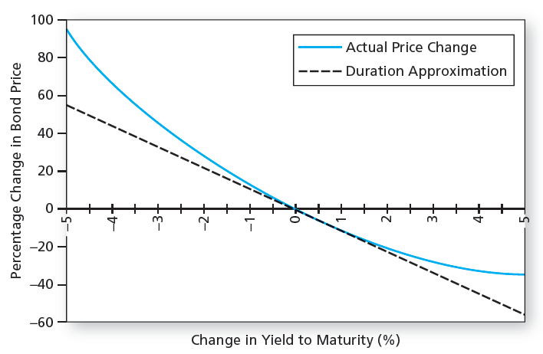
Calculate the approximate price change for a AGG using only its D* and using D* and Convexity

AGG has the following characteristics:
Maturity | 8.43
Coupon ($100 par) | 3.26%
Yield to maturity | 4.92%
Coupon (frequency) | Semiannual
Convexity (C) | 0.59
Current Bond Price | $88.66 | =PV(C7/2,C5*2,-C6/2*100,-100)
Modified Duration (D*) | 6.11975 | =MDURATION(DATE(2000,1,1),DATE(2007,1,1),C6,C7,2)

Changes in YTM | YTM down 100bps
with D* only | -6.1197% | =-C11*1%
Bond Price change | 83.2319 | =C10*(1+C14)
with D* and Convexity | -6.1168% | =C14+1/2*C9*-1%^2
Bond Price change | 83.2345 | =C10*(1+C16)

